WACC
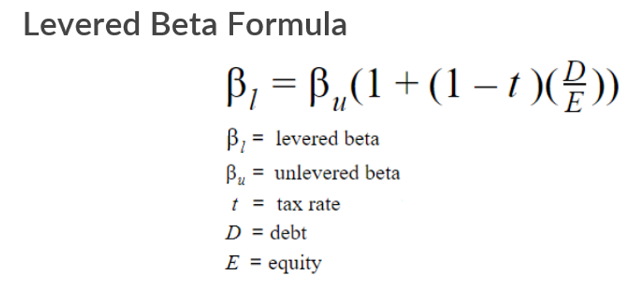

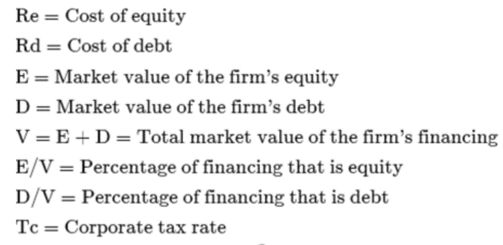

WACC (Cost of Capital)
 |  | Equity | Financial Debt | Capital
Book Value as of Dec 2019 |  | 756,202 | 74,232 | 830,433
Weight in Cost of Capital |  | 91% | 9% | 100%
Cost of components |  | 14.8% | 6.7% | 14.1%

Rd (Cost of Debt)

Corporate tax rate (%) |  | 22%

 |  | Interest margin (%)
ST debt | 71,353 | 8.50%
LT debt | 2,878 | 12.00%

Rd | 8.6%
Rd * (1-Tc) (Cost of debt after tax) | 6.7%

Re (Cost of Equity)

Risk free rate (Rf) |  | 10.68% | US 10Year = 0.68% | CFA Institute suggests adding the inflation rate differential
Expected market return (Rm) |  | 16.18% | Turkey inflation = 10% | between the local economy and a developed nation and using that as a spread
UL Beta (Bu) |  | 0.70 | CDS 10 Year Turkey = 5.5% | on top of that same developed nation's long-term bond yield.
Levered Beta (Bl) |  | 0.75
Cost of equity (Re) |  | 14.8%

S&P input
Inflation expectation for the long term is around 8%
We assumed that the company would grow +2% added to inflation.
For gross margin and opex,
our assumption is to have a rate that is average of every 5 years(dynamic).
 | SALES AND PROFITABILITY INPUT | Unit | 2015 | 2016 | 2017 | 2018 | 2019 | 2020 | 2021 | 2022 | 2023 | 2024 | 2025
 |  |  | Historical | Historical | Historical | Historical | Historical | Projected | Projected | Projected | Projected | Projected | Projected

 | Sales Volume | tonnes | - | - | - | - | - | - | - | - | - | - | -
 | Sales growth % | %

 | Sales Price | TL 000 | - | - | - | - | - | - | - | - | - | - | -
 | Sales price growth % | %

1) | Sales | TL 000 | 382,760 | 1,898,019 | 2,406,203 | 2,422,035 | 2,492,866 | 2,742,152 | 3,016,368 | 3,318,004 | 3,649,805 | 4,014,785 | 4,416,264
 | Sales growth % |  |  | 396% | 27% | 1% | 3% | 10% | 10% | 10% | 10% | 10% | 10%
 | Gross margin | % | 28% | 19% | 17% | 23% | 25% | 22% | 21% | 22% | 23% | 22% | 22%

2) | Gross profit | TL 000 | 105,842 | 356,147 | 413,687 | 562,946 | 613,430 | 611,276 | 640,065 | 720,366 | 825,385 | 902,879 | 974,455

 | OPEX % | % | 24% | 13% | 11% | 11% | 11% | 14% | 12% | 12% | 12% | 12% | 12%
 | OPEX | TL 000 | -90,284 | -239,409 | -266,841 | -264,066 | -283,772 | -381,581 | -361,389 | -393,330 | -438,245 | -490,940 | -547,496

3) | EBIT | TL 000 | 15,559 | 116,739 | 146,847 | 298,879 | 329,657 | 229,695 | 278,676 | 327,037 | 387,140 | 411,940 | 426,959

 | EBIT margin | % | 4% | 6% | 6% | 12% | 13% | 8% | 9% | 10% | 11% | 10% | 10%
 | Depreciation | % | 20,508 | 32,254 | 38,682 | 44,704 | 49,689 | 50,155 | 56,336 | 63,136 | 70,614 | 78,840 | 87,888
4) | EBITDA | TL 000 | 36,067 | 148,993 | 185,529 | 343,583 | 379,346 | 279,850 | 335,012 | 390,172 | 457,754 | 490,780 | 514,847

 | EBITDA margin | % | 9% | 8% | 8% | 14% | 15% | 10% | 11% | 12% | 13% | 12% | 12%

Fixed&Intangible Assets
PROPERTY, PLANT AND EQUIOMENT |  |  | Unit | 2019 | 2020 | 2021 | 2022 | 2023 | 2024 | 2025
 |  |  |  | Historical | Projected | Projected | Projected | Projected | Projected | Projected
Depreciation rate calculated as percentage of related fixed assets.
PP&E is calculated as % of revenues.
The assumption is that the company will maintain the average 5 years PP&E/Revenue rate over next years
Gross Fixed Assets |  |  | TL'000

 | Land |  |  | 402,507 | 402,507 | 402,507 | 402,507 | 402,507 | 402,507 | 402,507
 | Buildings |  |  | 319,267 | 319,267 | 319,267 | 319,267 | 319,267 | 319,267 | 319,267
 | Machineries |  |  | 476,335 | 476,335 | 476,335 | 476,335 | 476,335 | 476,335 | 476,335 | historical mean of new investments/sales is %2
 | Other |  |  | 110,027 | 114,475 | 174,210 | 239,919 | 312,199 | 391,707 | 479,166
 | Existing Gross Fixed assets |  |  | 1,308,136 | 1,312,584 | 1,372,319 | 1,438,028 | 1,510,308 | 1,589,816 | 1,677,274
 | Additions |  |  | 4,448 | 59,735 | 65,709 | 72,280 | 79,508 | 87,459 | 96,204
 | - New investments | 2% |  |  | 54,843 | 60,327 | 66,360 | 72,996 | 80,296 | 88,325
 | - Maintenance capex | 0.18% |  | 4,448 | 4,892 | 5,382 | 5,920 | 6,512 | 7,163 | 7,879
 | Disposals |  |  |  | - | - | - | - | - | -
 | Gross Fixed assets EoP |  |  | 1,312,584 | 1,372,319 | 1,438,028 | 1,510,308 | 1,589,816 | 1,677,274 | 1,773,479

 | Depreciation for the Period
 |  | Dep.rate
 | Land | 0% |  |  | - | - | - | - | - | -
 | Buildings | 2% |  | 7,063 | 7,063 | 7,063 | 7,063 | 7,063 | 7,063 | 7,063
 | Machineries | 6% |  | 28,377 | 28,377 | 28,377 | 28,377 | 28,377 | 28,377 | 28,377
 | Other | 10% |  | 11,376 | 11,835 | 18,011 | 24,805 | 32,278 | 40,498 | 49,540
 | Total |  |  | 46,815 | 47,275 | 53,451 | 60,244 | 67,717 | 75,938 | 84,980

 | Accumulated Depreciation

 | Land |  |  | - | - | - | - | - | - | -
 | Buildings |  |  | 65,669 | 72,732 | 79,795 | 86,858 | 93,921 | 100,984 | 108,047
 | Machineries |  |  | 301,577 | 329,954 | 358,330 | 386,707 | 415,083 | 443,460 | 471,837
 | Other |  |  | 80,186 | 92,022 | 110,033 | 134,838 | 167,116 | 207,614 | 257,154
 | Total |  |  | 447,432 | 494,707 | 548,158 | 608,402 | 676,120 | 752,057 | 837,037

 | Gross Fixed assets BoP |  |  | 1,312,584 | 1,372,319 | 1,438,028 | 1,510,308 | 1,589,816 | 1,677,274 | 1,773,479
 | Accumulated depreciation |  |  | -447,432 | -494,707 | -548,158 | -608,402 | -676,120 | -752,057 | -837,037
 | Net Fixed assets EoP |  |  | 865,151 | 877,612 | 889,870 | 901,905 | 913,696 | 925,217 | 936,442

INTANGIBLE ASSETS |  |  | Unit | 2019 | 2020 | 2021 | 2022 | 2023 | 2024 | 2025
 |  |  |  | Historical | Projected | Projected | Projected | Projected | Projected | Projected
 | Rights |  |  | 12,296 | 12,321 | 12,345 | 12,370 | 12,395 | 12,419 | 12,444 | 1.002 | %growing rate
 | Development Cost |  |  | 17,458 | 17,493 | 17,528 | 17,563 | 17,598 | 17,633 | 17,669
 | Other |  |  | 695 | 696 | 698 | 699 | 701 | 702 | 703
 | Existing Intangible Assets |  |  | 30,449 | 30,510 | 30,571 | 30,632 | 30,693 | 30,755 | 30,816

 | Depreciation for the Period
 |  | dep.rate
 | Rights | 7% |  | 819 | 821 | 823 | 824 | 826 | 828 | 829
 | Development Cost | 11% |  | 1,882 | 1,886 | 1,889 | 1,893 | 1,897 | 1,901 | 1,904
 | Other | 25% |  | 173 | 173 | 174 | 174 | 174 | 175 | 175
 | Total |  |  | 2,874 | 2,880 | 2,886 | 2,891 | 2,897 | 2,903 | 2,909

 | Accumulated Depreciation

 | Rights |  |  | 11,414 | 12,235 | 13,057 | 13,882 | 14,708 | 15,535 | 16,364
 | Development Cost |  |  | 3,308 | 5,193 | 7,082 | 8,976 | 10,872 | 12,773 | 14,677
 | Other |  |  | 682 | 855 | 1,029 | 1,203 | 1,377 | 1,552 | 1,727
 | Total |  |  | 15,403 | 18,283 | 21,168 | 24,060 | 26,957 | 29,860 | 32,768

 | Gross Intangible Assets |  |  | 30,449 | 30,510 | 30,571 | 30,632 | 30,693 | 30,755 | 30,816
 | Accumulated depreciation |  |  | -15,403 | -18,283 | -21,168 | -24,060 | -26,957 | -29,860 | -32,768
 | Net Intangible Assets |  |  | 15,046 | 12,227 | 9,402 | 6,572 | 3,736 | 895 | -1,952

Debt
DEBT PROFILE |  | Unit | 2019 | 2020 | 2021 | 2022 | 2023 | 2024 | 2025
 |  |  | Historical | Projected | Projected | Projected | Projected | Projected | Projected
The Turkey 10Y Government Bond has a 11.770% yield.
10 Years vs 2 Years bond spread is 355.5 bp.
As we expect that the interest rates are further to decline,
Our assumption is that the short term commercial credit rate will be averaged %8.5
For long term loan, we can basically add the spread of the yield curve
ST Debt |  | TL'000

Short-term bank loans BoP |  |  |  | 71,353 | 91,353 | 111,353 | 131,353 | 151,353 | 171,353
Drawdowns |  |  |  | 20,000 | 20,000 | 20,000 | 20,000 | 20,000 | 20,000
Loan repayments |  |  |  | 0 | 0 | 0 | 0 | 0 | 0
Short-term bank loans EoP |  |  | 71,353 | 91,353 | 111,353 | 131,353 | 151,353 | 171,353 | 191,353

Avg. Interest rate on short-term loans | 8.50% | %
Interest on short-term loans |  |  |  | 6,915 | 8,615 | 10,315 | 12,015 | 13,715 | 15,415

LT Debt

Long term loan BoP |  |  |  | 2,878 | 6,303 | 8,242 | 8,994 | 8,795 | 7,836
Interest payments |  |  |  | 345 | 756 | 989 | 1,079 | 1,055 | 940
LT loan drawdown |  |  |  | 5,000 | 4,000 | 3,000 | 2,000 | 1,000 | 0
Loan Repayments for existing LT |  |  |  | 576 | 1,261 | 1,648 | 1,799 | 1,759 | 1,567
Loan Repayments for new LT |  |  |  | 1,000 | 800 | 600 | 400 | 200 | 0
Long term loan EoP |  |  | 2,878 | 6,303 | 8,242 | 8,994 | 8,795 | 7,836 | 6,269

Avg. Interest rate on long-term loans | 12.00% | %

Total debt payments

ST loan repayment |  |  |  | 0 | 0 | 0 | 0 | 0 | 0
ST loan drawdown |  |  |  | 20,000 | 20,000 | 20,000 | 20,000 | 20,000 | 20,000
LT loan repayment |  |  |  | -576 | -1,261 | -1,648 | -1,799 | -1,759 | -1,567
LT loan drawdown |  |  |  | 5,000 | 4,000 | 3,000 | 2,000 | 1,000 | 0
Interest payments |  |  |  | -7,260 | -9,371 | -11,304 | -13,094 | -14,770 | -16,355

